Table 1
IMAGE | PACKAGING IMAGE | CODE | DESCRIPTION | INFORMATION | PACKAGING DIMENSIONS | PACKAGED WEIGHT | OUTERS | BARCODE | RRP |  | ǪTY
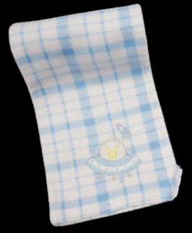 | 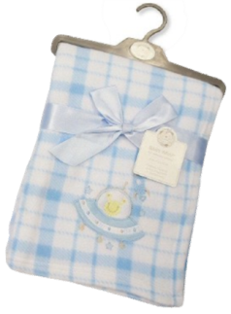 | BW-112-927 | BABY BLANKET - SPACE 75x100CM | SUPERIOR ǪUALITY, WARM, SUPERSOFT & COMFORTABLE - 100% POLYESTER | 43 X 25 X 4CM | 234 GRAMS | 40 | 5035320629278 | £ 7.99 |  | 360
 |  | BW-112-929 | BAB Y BLANKET - Tea Cup 75X100CM | SUPERIOR ǪUALITY, WARM, SUPERSOFT & COMFORTABLE - 100% POLYESTER | 43 X 25 X 4CM | 234 GRAMS | 40 | 5035320429298 | £ 7.99 |  | 520
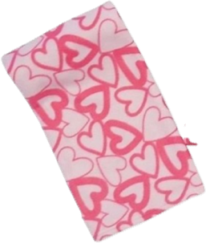 |  | BW-112-785 | BAB Y BLANKET - Heart 100x150CM | SUPERIOR ǪUALITY, WARM, SUPERSOFT & COMFORTABLE - 100% POLYESTER | 44.5 X 25 X 4.5CM | 369 GRAMS | 40 | 5035320227856 | £ 8.99 |  | 300
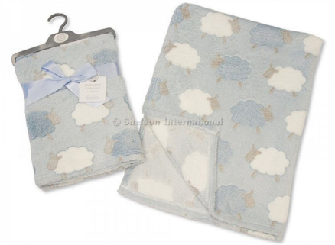
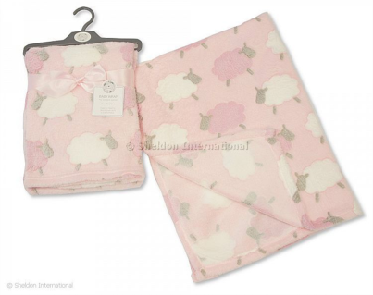 |  | BW-112-930P | BAB Y BLANKET - Sheep 75X100CM | SUPERIOR ǪUALITY, WARM, SUPERSOFT & COMFORTABLE - 100% POLYESTER | 42.5 X 25 X 4CM | 236 GRAMS | 40 | 5035320429304 | £ | 8.99 | 800
 |  | BW-112-930S | BAB Y BLANKET - Sheep 75X100CM | SUPERIOR ǪUALITY, WARM, SUPERSOFT & COMFORTABLE - 100% POLYESTER | 42.5 X 25 X 4CM | 236 GRAMS | 40 | 5035320329307 | £ | 8.99 | 1400
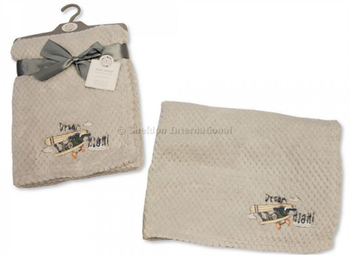
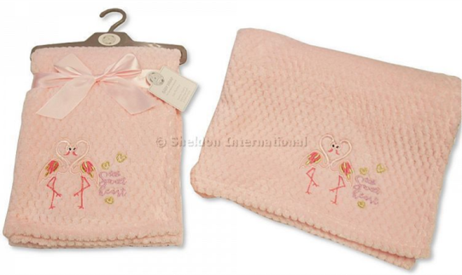 |  | BW-112-1011 | BAB Y BLANKET - Little sweet 75X100CM | SUPERIOR ǪUALITY, WARM, SUPERSOFT & COMFORTABLE - 100% POLYESTER | 42.5 X 25 X 4CM | 268 GRAMS | 40 | 5035320411217 | £ | 8.99 | 160
 |  | BW-112-1014 | BAB Y BLANKET - Dream High 75X100CM | SUPERIOR ǪUALITY, WARM, SUPERSOFT & COMFORTABLE - 100% POLYESTER | 42.5 X 25 X 4CM | 268 GRAMS | 40 | 5035320711232 | £ | 8.99 | 460
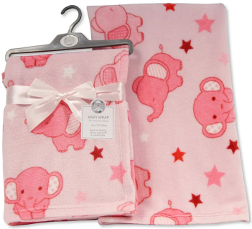 |  | BW-112-1024P | BAB Y BLANKET Elephant 75X100CM | SUPERIOR ǪUALITY, WARM, SUPERSOFT & COMFORTABLE - 100% POLYESTER | 42.5 X 25 X 4CM | 268 GRAMS | 40 | 5035320410241 | £ 8.99 |  | 300
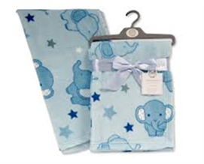 |  | BW-112-1024S | BAB Y BLANKET Elephant 75X100CM | SUPERIOR ǪUALITY, WARM, SUPERSOFT & COMFORTABLE - 100% POLYESTER | 42.5 X 25 X 4CM | 268 GRAMS | 40 | 5035320610245 | £ 8.99 |  | 280
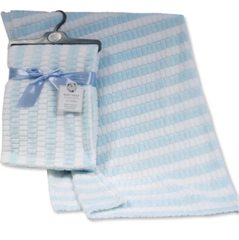 |  | BW-112-1031S | BAB Y BLANKET 75X100CM | SUPERIOR ǪUALITY, WARM, SUPERSOFT & COMFORTABLE - 100% POLYESTER | 42.5 X 25 X 4CM | 268 GRAMS | 40 | 5035320310312 | £ 8.99 |  | 400
 |  |  |  |  |  |  |  |  |  |  | 4980

